ART
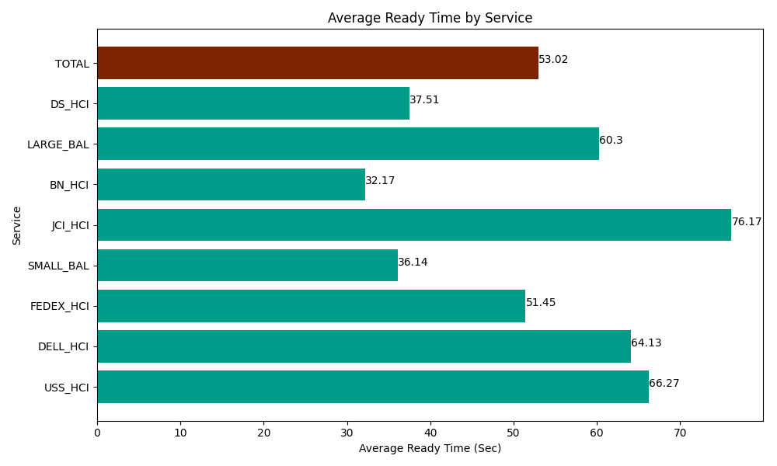
Date | Service | Successful Op Transfer | In Call (Sec) | Ready (Sec) | Wrapup (Sec) | Not Ready (Sec) | Average Ready Time (Sec)
05-09-2024 | USS_HCI | 270 | 38732.999268 | 17892.000732 | 46310.998535 | 15998.999634 | 66.27
05-09-2024 | DELL_HCI | 100 | 8598.0001831 | 6412.7998352 | 36700.198975 | 6901.7999268 | 64.13
05-09-2024 | FEDEX_HCI | 97 | 7249.8001099 | 4990.8000183 | 6678.0001831 | 11398.799744 | 51.45
05-09-2024 | SMALL_BAL | 283 | 13576.799927 | 10228.200073 | 32029.200439 | 40843.198242 | 36.14
05-09-2024 | JCI_HCI | 276 | 26905.200806 | 21023.999634 | 30541.199341 | 6496.7999268 | 76.17
05-09-2024 | BN_HCI | 1017 | 62839.196777 | 32716.201172 | 80863.198242 | 47507.999268 | 32.17
05-09-2024 | LARGE_BAL | 4 | 268.80000114 | 241.19999886 | 361.19999886 | 94.200003147 | 60.3
05-09-2024 | DS_HCI | 788 | 48547.800293 | 29558.999634 | 82243.798828 | 67901.99707 | 37.51
 | TOTAL | 2835 | 206718.59736 | 123064.2011 | 315727.79454 | 197143.79381 | 53.02

